Sheet1
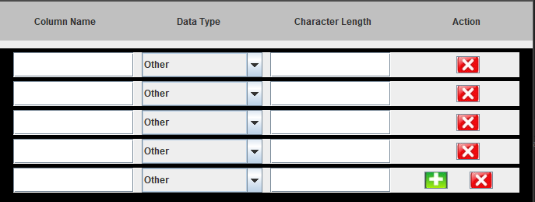

Add scroll when we have more records

